NB
 |  |  |  | MEN |  |  |  |  |  | 37 | 37.5 | 38 | 38.5 | 39.5 | 40 | 40.5 | 41.5 | 42 | 42.5 | 43 | 44 | 44.5 | 45 | 45.5 | 46.5 | 47 | 47.5 | 48 | 49 | 50
 |  |  |  | WOMEN |  |  |  |  |  |  | 35 | 36 | 36.5 | 37 | 37.5 | 38 | 39 | 40 | 40.5 | 41.5 | 42 | 42.5 | 43 | 43.5 | 44 | 45 | 45.5
 |  |  |  | UNISEX (same as MEN)
 |  |  |  | JR | 32.5 | 33 | 34.5 |  |  |  |  |  |  |  |  |  |  |  |  |  |  |  |  |  | 30 | 30.5 | 31 | 32
 |  |  |  | KID | 16 | 16.5 | 18 | 18.5 | 19 | 20.5 | 21 | 21.5 | 22.5 | 23 | 23.5 | 24 | 25 | 25.5 | 26 |  |  |  |  |  |  |  | 31 | 32

 | ITEM | GENDER | RRP | WHS | 1 | 1.5 | 2.5 | 3 | 3.5 | 4.5 | 5 | 5.5 | 6 | 6.5 | 7 | 7.5 | 8 | 8.5 | 9 | 9.5 | 10 | 10.5 | 11 | 11.5 | 12 | 12.5 | 13 | 13.5 | 14 | 15 | Qty total
   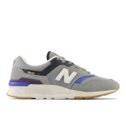 | CM997HLR | MEN | 120.00 € | 60.00 € |  |  |  |  |  |  |  |  |  |  | 4 | 13 | 21 | 32 | 26 | 44 | 54 | 3 | 28 | 28 | 3 |  |  |  |  |  | 256
 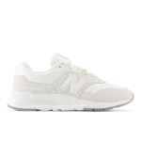 | CW997HEL | WOMEN | 120.00 € | 60.00 € |  |  |  |  |  |  |  | 22 |  |  |  |  |  | 32 |  |  |  |  |  |  |  |  |  |  |  |  | 54
 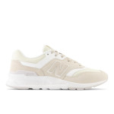 | CW997HSM | WOMEN | 110.00 € | 55.00 € |  |  |  |  |  |  |  | 12 |  |  |  |  |  |  |  |  | 11 |  |  |  |  |  |  |  |  |  | 23
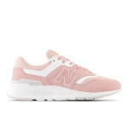 | CW997HSO | WOMEN | 110.00 € | 55.00 € |  |  |  |  |  |  |  | 13 | 4 |  |  |  |  | 13 |  |  | 3 |  |  |  |  |  |  |  |  |  | 33
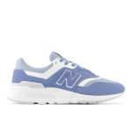 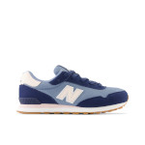 | GC515CI | KID | 69.00 € | 34.50 € |  |  |  |  | 28 |  |  |  |  |  | 5 |  |  |  |  |  |  |  |  |  |  |  |  |  |  |  | 33
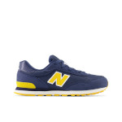 | GC515KA | KID | 69.00 € | 34.50 € |  |  |  |  |  |  |  |  |  |  | 10 |  |  |  |  |  |  |  |  |  |  |  |  |  |  |  | 10
    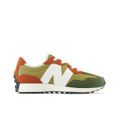 | GS327HC | KID | 80.00 € | 40.00 € |  |  |  |  |  |  |  |  | 7 |  |  |  |  |  |  |  |  |  |  |  |  |  |  |  |  |  | 7
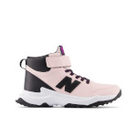 | IH327UN | KID | 70.00 € | 35.00 € |  |  |  |  |  |  |  |  |  |  |  |  | 17 |  | 17 |  |  |  |  |  |  |  |  |  |  |  | 34
     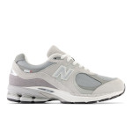 | M2002RXJ | UNISEX | 200.00 € | 100.00 € |  |  |  |  |  |  |  |  |  |  |  |  |  |  |  |  |  | 9 |  |  |  |  |  |  |  |  | 9
     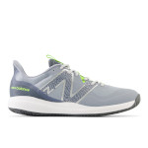 | MCH796J3 | MEN | 99.00 € | 49.50 € |  |  |  |  |  |  |  |  |  |  |  |  |  |  |  |  |  | 4 |  |  |  |  |  |  |  |  | 4
 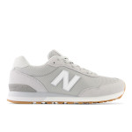 | ML515CG3 | MEN | 90.00 € | 45.00 € |  |  |  |  |  |  |  |  |  |  |  | 4 |  | 13 |  |  |  |  |  |  |  |  |  |  |  |  | 17
  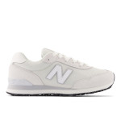 | ML515WHT | MEN | 90.00 € | 45.00 € |  |  |  |  |  |  |  |  |  |  |  |  |  |  | 21 | 27 | 33 | 23 | 25 | 21 |  |  |  |  |  |  | 150
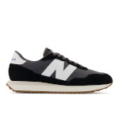 | MS237GA | UNISEX | 100.00 € | 50.00 € |  |  |  |  |  |  |  |  |  |  | 23 | 2 | 45 | 110 | 133 | 174 | 137 | 51 | 71 | 102 | 78 |  | 29 |  |  |  | 955
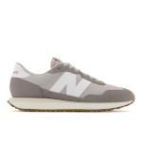 | MS237GE | UNISEX | 100.00 € | 50.00 € |  |  |  |  |  |  |  |  |  |  |  |  |  |  |  |  |  |  |  | 17 |  |  | 14 |  |  |  | 31
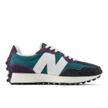 | MS327HA | UNISEX | 120.00 € | 60.00 € |  |  |  |  |  |  |  |  |  |  |  |  |  |  |  |  | 13 | 11 |  |  |  |  |  |  |  |  | 24
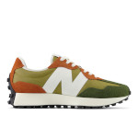 | MS327HC | UNISEX | 120.00 € | 60.00 € |  |  |  |  |  |  |  |  |  |  |  |  |  |  |  |  | 15 |  |  |  |  |  |  |  |  |  | 15
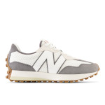 | MS327PJ | UNISEX | 130.00 € | 65.00 € |  |  |  |  |  |  |  |  |  |  |  |  |  |  |  |  | 9 |  |  |  |  |  |  |  |  |  | 9
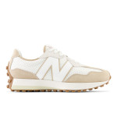 | MS327PS | UNISEX | 130.00 € | 65.00 € |  |  |  |  |  |  |  |  |  |  |  |  |  |  |  |  |  | 26 |  |  |  |  |  |  |  |  | 26
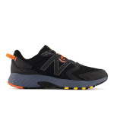 | MT410CK7 | MEN | 90.00 € | 45.00 € |  |  |  |  |  |  |  |  |  |  |  |  |  |  |  |  |  |  |  |  |  |  |  |  | 1 | 10 | 11
 | MT410LY8 | MEN | 90.00 € | 45.00 € |  |  |  |  |  |  |  |  |  |  |  |  |  |  |  |  |  |  |  | 8 | 7 |  | 9 |  | 13 | 4 | 41
 | MTHIER7B | MEN | 160.00 € | 80.00 € |  |  |  |  |  |  |  |  |  |  |  |  |  |  |  |  | 15 |  |  |  |  |  |  |  |  |  | 15
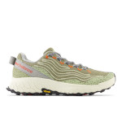 | MTHIER7U | MEN | 160.00 € | 80.00 € |  |  |  |  |  |  |  |  |  |  |  |  |  | 11 | 7 | 47 | 61 | 33 |  |  |  |  |  |  |  |  | 159
 | MTHIER7V | MEN | 160.00 € | 80.00 € |  |  |  |  |  |  |  |  |  |  |  |  |  |  |  |  | 21 |  |  |  |  |  |  |  |  |  | 21
 | MTHIGQ7 | MEN | 180.00 € | 90.00 € |  |  |  |  |  |  |  |  |  |  |  |  |  |  |  |  | 13 | 3 |  |  |  |  |  |  |  |  | 16
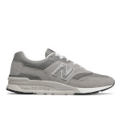 | NBCM997HCA | UNISEX | 110.00 € | 55.00 € |  |  |  |  |  |  |  |  |  |  | 22 | 21 | 79 | 123 | 149 | 145 | 166 | 89 | 96 | 76 | 61 |  | 62 |  |  |  | 1089
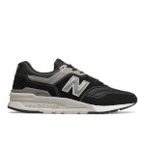 | NBCM997HCC | MEN | 110.00 € | 55.00 € |  |  |  |  |  |  |  |  |  |  | 27 | 26 | 94 | 147 | 177 | 173 | 197 | 106 | 115 | 91 | 61 |  | 31 |  |  |  | 1245
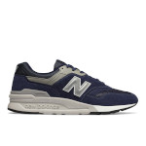 | NBCM997HCE | MEN | 110.00 € | 55.00 € |  |  |  |  |  |  |  |  |  |  | 22 | 21 | 79 | 123 | 149 | 145 | 166 | 89 | 96 | 76 | 61 |  | 47 |  |  |  | 1074
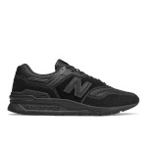 | NBCM997HCI | MEN | 110.00 € | 55.00 € |  |  |  |  |  |  |  |  |  |  |  |  | 23 |  |  | 10 |  |  | 19 | 8 |  |  |  |  |  |  | 60
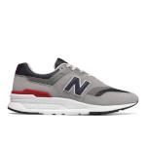 | NBCM997HCJ | MEN | 110.00 € | 55.00 € |  |  |  |  |  |  |  |  |  |  | 8 | 14 |  |  |  |  |  |  |  |  |  |  |  |  |  |  | 22
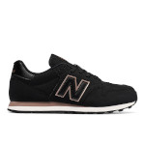 | NBGW500BR | WOMEN | 89.00 € | 44.50 € |  |  |  |  |  |  |  | 5 | 22 |  |  |  |  |  |  |  |  |  |  |  |  |  |  |  |  |  | 27
 | NM306SNL | MEN | 90.00 € | 45.00 € |  |  |  |  |  |  |  |  |  |  |  |  | 1 |  |  |  |  | 3 |  |  |  |  |  |  |  |  | 4
 | NM808GBK | MEN | 110.00 € | 55.00 € |  |  |  |  |  |  |  |  |  |  |  |  |  |  | 2 |  |  | 7 |  |  |  |  |  |  |  |  | 9
 | NM808LGC | MEN | 110.00 € | 55.00 € |  |  |  |  |  |  |  |  |  |  |  |  |  |  |  |  | 4 |  |  |  |  |  |  |  |  |  | 4
 | NW515KC | WOMEN | 59.00 € | 29.50 € |  |  |  |  |  |  |  |  |  |  |  |  | 4 |  | 4 |  | 8 |  |  |  |  |  |  |  |  |  | 16
 | NW574CT | WOMEN | 69.00 € | 34.50 € |  |  |  |  |  |  |  |  |  |  |  |  | 19 |  | 22 |  | 1 |  |  |  |  |  |  |  |  |  | 42
 | NW574CX | WOMEN | 69.00 € | 34.50 € |  |  |  |  |  |  |  |  |  |  |  |  | 26 |  | 24 |  |  |  |  |  |  |  |  |  |  |  | 50
 | NW574FGG | WOMEN | 69.00 € | 34.50 € |  |  |  |  |  |  |  |  |  |  | 1 |  | 16 |  | 9 |  |  |  |  |  |  |  |  |  |  |  | 26
 | PH327BET | KID | 79.00 € | 39.50 € |  |  |  |  |  |  |  |  |  |  |  |  |  |  |  |  |  |  |  |  |  |  |  | 1 |  |  | 1
 | PHB480WR | KID | 69.00 € | 34.50 € |  |  |  |  |  |  |  |  |  |  |  |  |  |  |  |  |  |  |  |  |  |  | 6 |  |  |  | 6
 | PSB550TA | KID | 89.00 € | 44.50 € |  |  |  |  |  |  |  |  |  |  |  |  |  |  |  |  |  |  |  |  |  |  | 24 | 17 |  |  | 41
 | PV515KA | KID | 60.00 € | 30.00 € | 1 |  |  | 5 |  |  |  |  |  |  |  |  |  |  |  |  |  |  |  |  |  |  |  |  |  |  | 6
 | U574KGN | MEN | 110.00 € | 55.00 € |  |  |  |  |  |  |  |  |  |  |  |  |  |  |  |  |  | 4 |  |  |  |  |  |  |  |  | 4
 | U574NGB | MEN | 110.00 € | 55.00 € |  |  |  |  |  |  |  |  |  |  |  |  |  |  |  |  | 86 |  |  |  |  |  |  |  |  |  | 86
 | U997RCE | MEN | 130.00 € | 65.00 € |  |  |  |  |  |  |  |  |  | 7 | 2 |  |  |  |  |  |  |  |  |  |  |  |  |  |  |  | 9
 | U997RHC | MEN | 130.00 € | 65.00 € |  |  |  |  |  |  |  |  |  |  |  |  |  |  |  |  | 19 | 12 |  |  |  |  |  |  |  |  | 31
 | WEVOZFB3 | WOMEN | 130.00 € | 65.00 € |  |  |  |  |  |  |  |  |  |  |  | 4 | 9 | 4 | 2 |  |  |  |  |  |  |  |  |  |  |  | 19
 | WFCXCT3 | WOMEN | 150.00 € | 75.00 € |  |  |  |  |  |  |  |  |  |  |  | 8 |  |  | 2 |  |  |  |  |  |  |  |  |  |  |  | 10
 | WL515CE3 | WOMEN | 90.00 € | 45.00 € |  |  |  |  |  |  |  | 5 |  |  |  |  |  |  |  |  |  |  |  |  |  |  |  |  |  |  | 5
 | WL515CI3 | WOMEN | 90.00 € | 45.00 € |  |  |  |  |  |  |  |  |  | 2 |  |  |  |  |  |  |  |  |  |  |  |  |  |  |  |  | 2
 | WL515ON3 | WOMEN | 90.00 € | 45.00 € |  |  |  |  |  |  |  |  | 2 | 6 | 9 |  |  |  |  |  |  |  |  |  |  |  |  |  |  |  | 17
 | WL515SB3 | WOMEN | 90.00 € | 45.00 € |  |  |  |  |  |  |  | 6 | 9 | 6 |  |  |  |  |  |  |  |  |  |  |  |  |  |  |  |  | 21
 | WL574IB2 | WOMEN | 110.00 € | 55.00 € |  |  |  |  |  |  |  |  |  |  |  |  | 2 |  |  |  |  |  |  |  |  |  |  |  |  |  | 2
 | WL574IR2 | WOMEN | 110.00 € | 55.00 € |  |  |  |  |  |  |  |  |  | 7 |  |  |  |  |  |  |  |  |  |  |  |  |  |  |  |  | 7
 | WS237DB1 | WOMEN | 100.00 € | 50.00 € |  |  |  |  |  |  |  |  | 20 |  |  |  |  |  |  |  |  |  |  |  |  |  |  |  |  |  | 20
 | WS237DN1 | WOMEN | 100.00 € | 50.00 € |  |  |  |  |  |  |  |  | 18 | 7 | 24 |  |  |  |  |  |  |  |  |  |  |  |  |  |  |  | 49
 | WS237DP1 | WOMEN | 100.00 € | 50.00 € |  |  |  |  |  |  |  | 4 | 15 |  | 12 |  |  |  |  |  | 2 |  |  |  |  |  |  |  |  |  | 33
 | WT410HT7 | WOMEN | 90.00 € | 45.00 € |  |  |  |  |  |  |  |  | 6 |  |  |  |  |  |  |  |  |  |  |  |  |  |  |  |  |  | 6
 | WTGAROK1 | WOMEN | 120.00 € | 60.00 € |  |  |  |  |  |  |  |  |  |  |  |  |  | 1 |  |  |  |  |  |  |  |  |  |  |  |  | 1
 | WTHIER7O | WOMEN | 160.00 € | 80.00 € |  |  |  |  |  |  |  | 2 | 7 | 6 | 7 | 9 | 26 | 5 | 10 |  | 2 |  |  |  |  |  |  |  |  |  | 74
 | WTMORCO3 | WOMEN | 170.00 € | 85.00 € | 1 |  |  |  |  |  |  |  | 1 |  |  |  | 6 |  |  |  |  |  |  |  |  |  |  |  |  |  | 8
 | Totale complessivo |  |  |  | 2 | 0 | 0 | 5 | 28 | 0 | 0 | 69 | 111 | 41 | 176 | 122 | 467 | 614 | 754 | 765 | 1036 | 473 | 450 | 427 | 271 | 0 | 222 | 18 | 14 | 14 | 6079

